Advocacy_Day_2019_Submissions
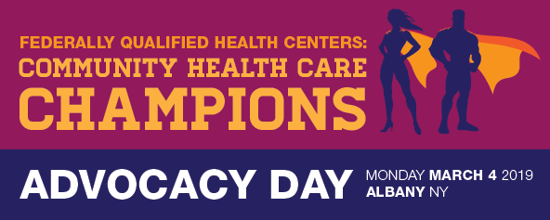
2019 Advocacy Day Bulk Registration
Please complete this form with all attendees from your Organization and email to hwoodman@chcanys.org. Include a general contact name and email address when submitting.

First Name | Last Name | Center/Organization | Title | Email | I am a (choose one in dropdown): Health Center Staff Member; Board Member & Patient; Board Member (not a Patient); Patient; Other | Dietary Restrictions (choose one in dropdown): Vegetarian; Vegan; Gluten-Free; Glatt Kosher; Other | Other Dietary Restrictions | Will you need a wheelchair? | Are you able to help provide transportation to/from Albany for other Health Center Advocates in your area? CHCANYS will contact you if a need arises. | Are you a member of the CHCANYS Grassroots Action Network?

